TS Schematics
Status | OK
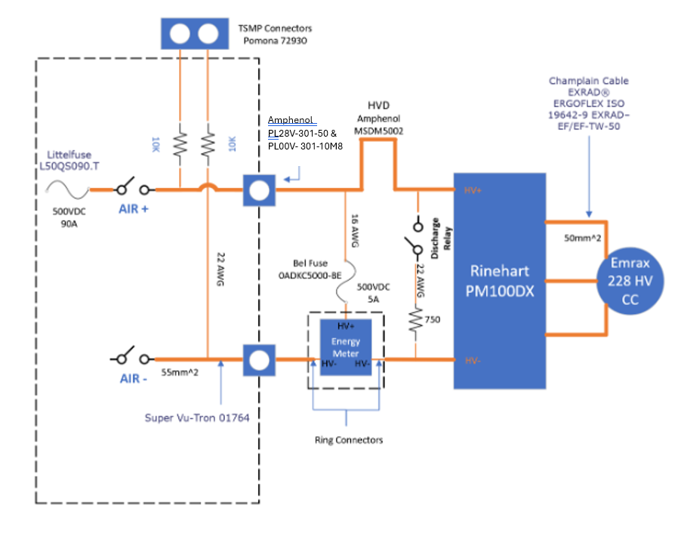 Tractive System Schematic |  |  |  |  | 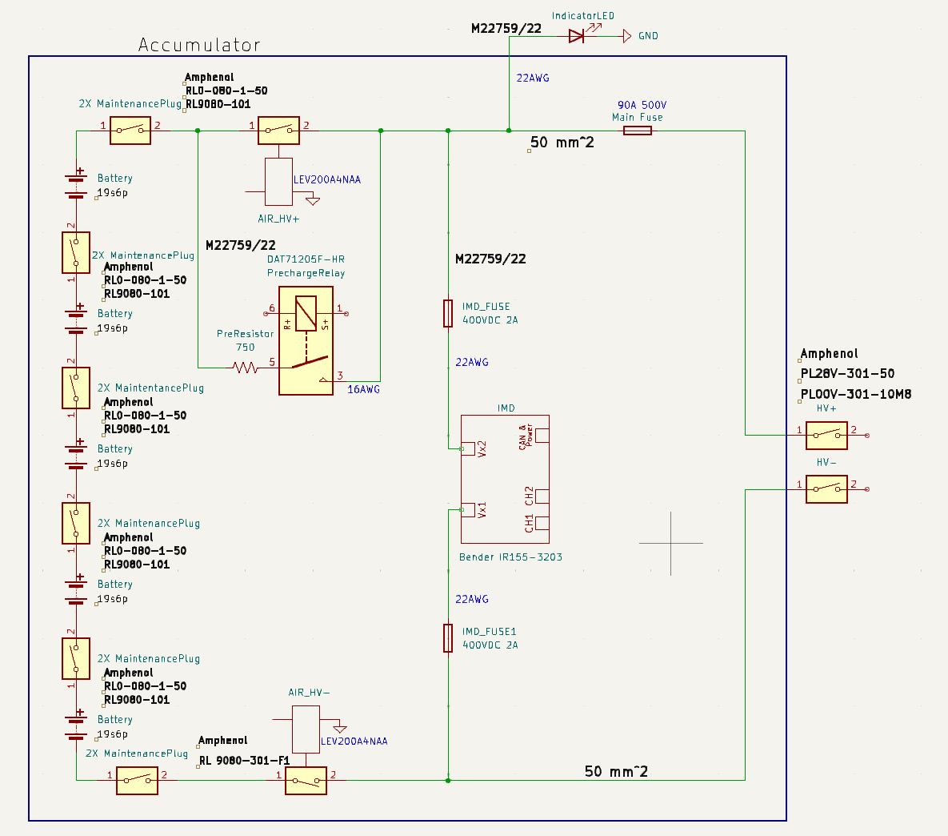 Accumulator TS Schematic |  |  |  | Additional Comments
 |  |  |  |  |  |  |  |  | 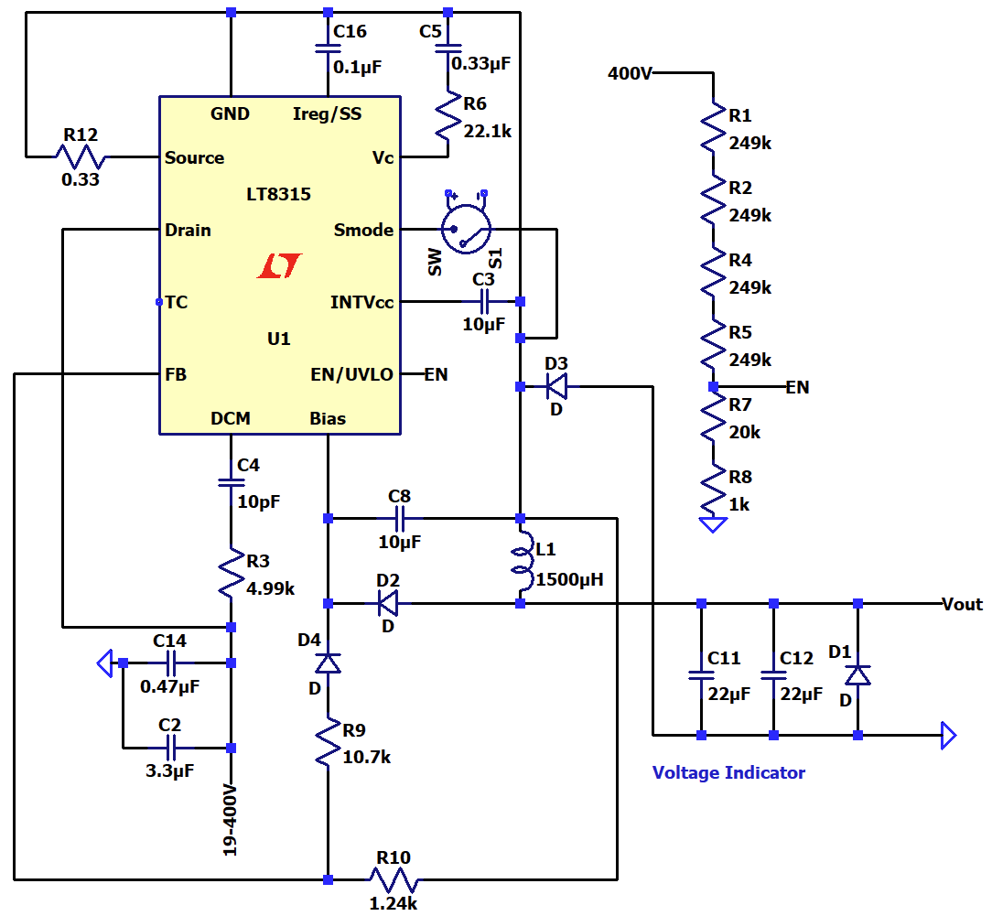 Voltage indicator below. EN (enable) = 1.22V through voltage divider when "400V" = 60V. If EN pin on LT8315 >1.22V, output is enabled. Thus, as the input voltage exceeds 60V on its way to max TS voltage, the output is enabled and the light turns on.

Vehicle Tractive System Schematic Shows |  |  |  | OK | Accumulator TS Schematic Shows |  |  | OK | Connectors between HVD, Energy Meter, and motor are ring connectors. Connections in and out of motor controller are built in to the controller. Set screw used to restrain cable into inverter. Energy meter is housed in a 3D printed housing.
Rules References |  |  |  |  | Rules References
 |  | Shows details of all TS circuits outside of accumulator | TRUE | OK |  | Details of all TS circuits within accumulator | TRUE | OK
 |  | Accumulator is shown as a single element (without internal details) | TRUE | OK |  | All wire gauges labeled | TRUE | OK
 |  | All wire gauges labeled | TRUE | OK |  | All fuses labeled with ampacity | TRUE | OK
 |  | All fuses labeled with ampacity | TRUE | OK | EV.6.6.6 | All wires > 150mm have a fuse within the first 150mm from the source | TRUE | OK
EV.6.6.6 |  | All wires > 150mm have a fuse within the first 150mm from the source | TRUE | OK |  | Fuse locations represent physical location | TRUE | OK
 |  | Fuse locations represent physical location | TRUE | OK |  | Connectors labeled with Make/Model | TRUE | OK
 |  | Enclosures shown | TRUE | OK |  | Standard schematic symbols used | TRUE | OK
 |  | Connectors labeled with Make/Model | TRUE | OK |  | All text is readable (zooming is allowed) | TRUE | OK
 |  | Standard schematic symbols used | TRUE | OK | EV.5.4 | AIRs | TRUE | OK
 |  | All text is readable (zooming is allowed) | TRUE | OK | EV.5.3 | Maintenance plugs | TRUE | OK
EV.5.8 |  | TSMPs | TRUE | OK |  | Cells (details of all intercell connections may be abstracted) | TRUE | OK
 |  | Motor Controller | TRUE | OK | EV.5.7 | Accumulator Indicator | TRUE | OK
 |  | Motor | TRUE | OK
EV.5.8.5 |  | TSMPs not fused | TRUE | OK

Must be shown on at least one schematic |  |  |  | OK
Rules References
EV.7.6 |  | IMD | TRUE | OK
EV.5.5 |  | HVD | TRUE | OK
EV.5.6 |  | Precharge | TRUE | OK
EV.5.6 |  | Discharge | TRUE | OK
EV.3.2; EV.5.1.3 |  | Energy Meter | TRUE | OK
EV.5.6.1.c |  | Precharge is not fused | TRUE | OK
EV.5.6.1.c |  | Discharge is not fused | TRUE | OK

Accumulator
Status | OK

Segment-to-Segment Connection |  |  |  | Series |  | OK
Maximum TS Voltage |  |  |  | 399 | V | OK
Nominal TS Voltage |  |  |  | 342 | V
Total Cells |  |  |  | 570

Segment Data |  |  |  |  |  |  |  |  | OK | BMS |  |  |  |  | OK | Maintenance Plugs |  |  |  | OK | Insulating Materials |  |  |  |  | OK | Additional Comments
Cell Connection Order |  |  | Parallel then Series |  |  |  |  |  | OK | BMS Type |  |  | Centralized |  | OK | Connector |  | Amphenol PL28V-301-50 |  | OK | Between cells and accum. container |  |  | McMaster-Carr 85345K651 |  | OK | No wires >150mm (no fuses for those wires needed). Using 2 types of Maintenance Plugs: one on the segments and one on the exterior of the container. Plug with the lower ampacity listed on this page, but both listed in datasheets page.
Segment | Parallel cells | Series cells | Temp Sensors | Accumulator Number | Max Voltage [V] |  | Segment Energy [MJ] |  |  | BMS Source |  |  | Purchased |  | OK | Ampacity |  | 300 | A | OK | Voltage Rating |  |  | 21875 | V | OK
 |  |  |  |  |  |  |  |  |  | Make | Orion | Model | BMS2 180-Cell |  | OK | Segment Fuse |  |  |  |  | Temperature Rating |  |  | 137.778 | C | OK
1 | 6 | 19 | 29 | 1 | 79.8 |  | 4.826304 |  | OK | Galvanic Isolation TS to GLV |  |  | 1500 | V | OK | Segment Fuse Ampacity |  | #N/A | A |  | Flammability Rating |  |  | UL 94 V-0
2 | 6 | 19 | 29 | 1 | 79.8 |  | 4.826304 |  | OK | Galvanic Isolation between segments |  |  | 2500 | V | OK | AIR |  |  |  |  | On top of cells |  |  | McMaster-Carr 85345K651 |  | OK
3 | 6 | 19 | 29 | 1 | 79.8 |  | 4.826304 |  | OK | Galvanic Isolation device |  |  |  |  |  | Make/Model |  | TE Connectivity / Kilovac LEV200A4NAA |  | OK | Voltage Rating |  |  | 21875 | V | OK
4 | 6 | 19 | 29 | 1 | 79.8 |  | 4.826304 |  | OK | Gavlanic Isolation device datasheet |  |  |  |  |  | Contact Voltage Rating |  | 900 | V | OK | Temperature Rating |  |  | 137.778 | C | OK
5 | 6 | 19 | 29 | 1 | 79.8 |  | 4.826304 |  | OK | Voltage Sense Leads |  |  |  |  |  | Max switching current |  | 2000 | A |  | Flammability Rating |  |  | UL 94 V-0
6 |  |  |  |  | 0 |  | 0 |  |  | Max Sense Lead Length |  |  | 90 | cm | OK | Max continuous current |  | 500 | A | OK | Separating AIR and Fuse from cells |  |  | McMaster-Carr 85345K651 |  | OK
7 |  |  |  |  | 0 |  | 0 |  |  | Sense Lead Overcurrent Protection Device |  |  | Bojack F2AL250V |  | OK | Main Fuse |  |  |  |  | Voltage Rating |  |  | 21875 | V | OK
8 |  |  |  |  | 0 |  | 0 |  |  | Overcurrent Location |  |  | Conductor |  | OK | Main Fuse |  | Littelfuse L50QS090.T |  | OK | Temperature Rating |  |  | 137.778 | C | OK
9 |  |  |  |  | 0 |  | 0 |  |  | Overcurrent Other Location |  |  |  |  |  | Main fuse ampacity |  | 90 | A |  | Flammability Rating |  |  | UL 94 V-0
10 |  |  |  |  | 0 |  | 0 |  |  | Overcurrent Voltage Rating |  |  | 250 |  | OK | Main fuse voltage |  | 500 | V | OK
11 |  |  |  |  | 0 |  | 0 |  |  | Temperature Sensors
12 |  |  |  |  | 0 |  | 0 |  |  | Temp Sensor Location |  |  | On bus bar |  | OK
13 |  |  |  |  | 0 |  | 0 |  |  | Distance to cell terminal |  |  | 4 | mm | OK
14 |  |  |  |  | 0 |  | 0 |  |  | Cells sensed per sensor |  |  | 1 | cells | OK
15 |  |  |  |  | 0 |  | 0 |  |  | Thermal Contact material used |  |  | Mcmaster 1272N15
16 |  |  |  |  | 0 |  | 0 |  |  | Thermal contact material datasheet |  |  | Silicon Rubber Sheet |  | OK
17 |  |  |  |  | 0 |  | 0 |  |  | Thermal contact material conductivity |  |  | 5 | W/(m∙K) | OK
18 |  |  |  |  | 0 |  | 0 |  |  | Thermal contact material thickness |  |  | 0.5 | mm | OK
 |  |  |  |  |  |  |  |  |  | Percent of cells sensed |  |  | 25.43859649 | % | OK

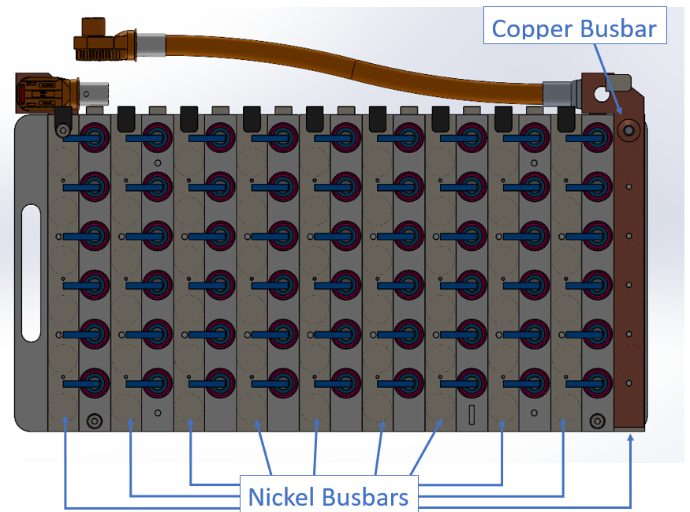
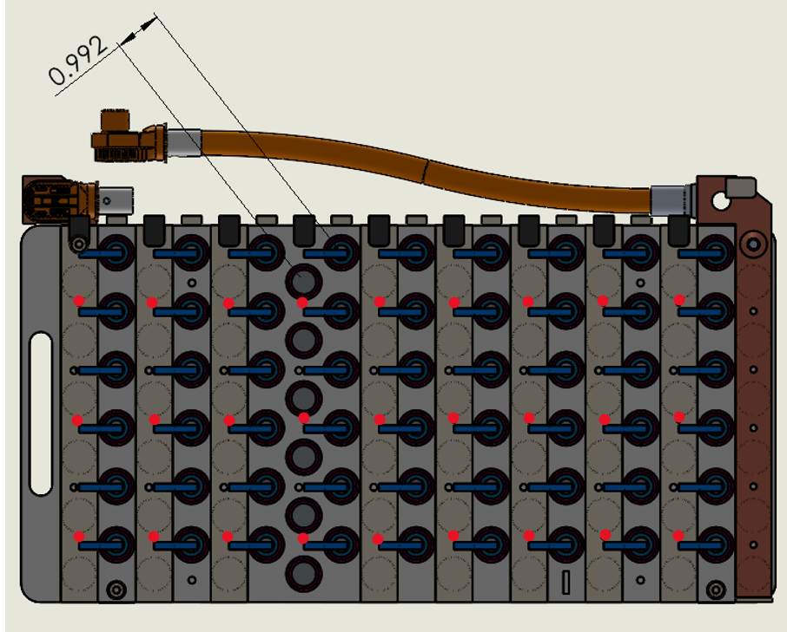
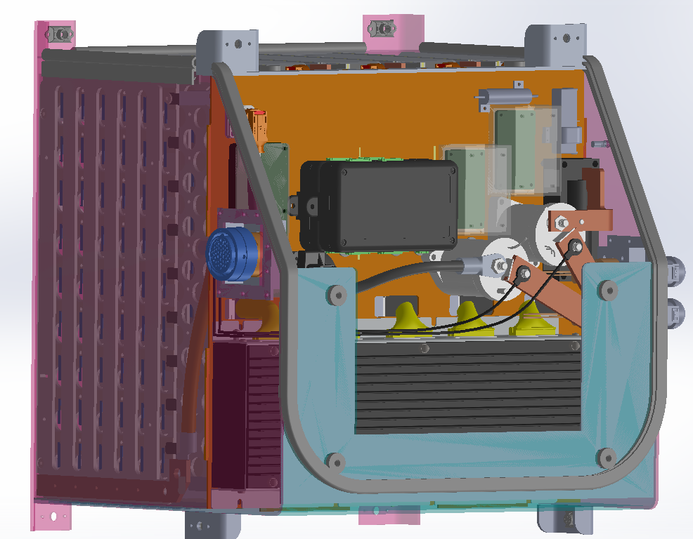
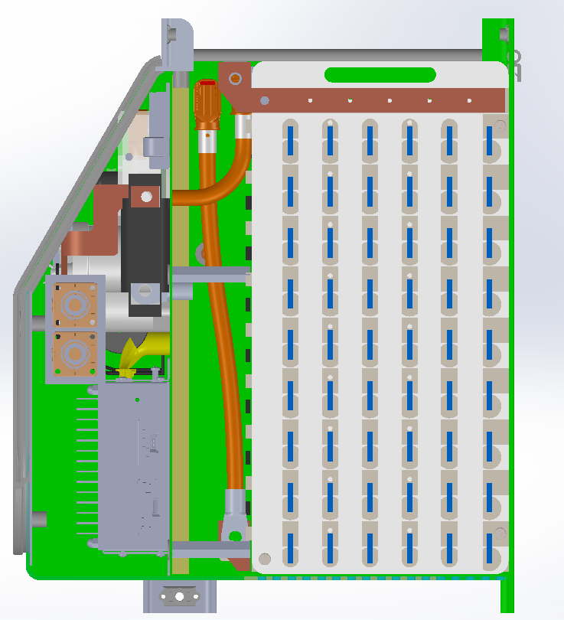
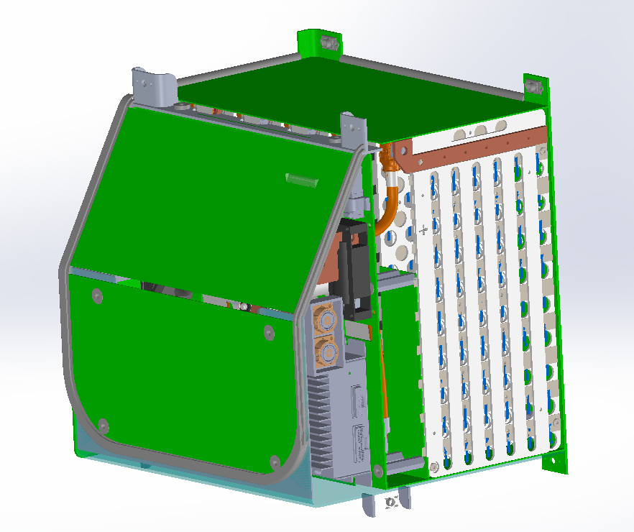
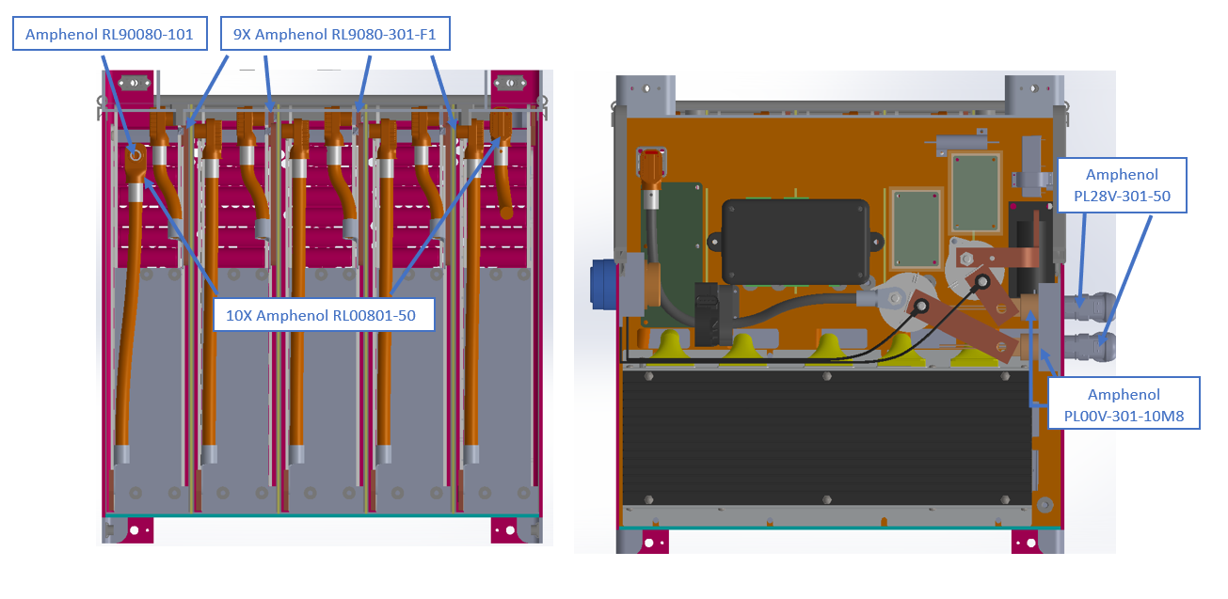 |  |  |  |  |  |  |  |  |  |  |  |  |  |  |  |  |  |  |  |  |  |  |  |  |  |  |  |  |  | Picture of Segment Insulation between Cell Terminals and Sides of Accumulator Container |  |  | Picture of Insulation on Top of Segment

Maintenance Plug(s) Picture Shows |  |  |  |  |  |  | OK |  | Cell Connections Picture Shows |  |  |  |  |  | OK |  | Temperature Sensor Picture Shows |  |  |  |  |  | OK | Fuse and AIR Separation Picture Shows |  |  |  |  | OK | Segment Insulation Picture Shows |  | OK | Segment Insulation Picture Shows |  | OK
Unique Configuration of plugs |  |  |  |  |  | TRUE | OK |  | Bolted connection have positive locking |  |  |  |  | TRUE | OK |  | Temp sensor in direct contact with terminal or busbar |  |  |  |  | TRUE | OK | Fuse and AIR are separated from cells |  |  |  | TRUE | OK | Insulation between cells and accumulator container | TRUE | OK | Insulation on top of cells (air not acceptable) | TRUE | OK
Non-conductive on un-necessary surface |  |  |  |  |  | TRUE | OK |  | location of parallel cell overcurrent for parallel cells |  |  |  |  | TRUE | OK |  | Distance from sensor to cell negative terminal |  |  |  |  | TRUE | OK | Additional Comments |  |  |  |  | Rules References | Additional Comments |  | Rules References | Additional Comments |  | Rules References
Accessible without any additional accumulator disassembly |  |  |  |  |  | TRUE | OK |  | Additional Comments |  |  |  |  |  | Rules References |  | Additional Comments |  |  |  |  |  | Rules References | Fuses and AIR seperated by dividing wall (shown in image in orange) which also has electrical insulation on the cell/segment side |  |  |  |  | EV.5.4.4 | Cross section view, green is insulation material |  | EV.5.2.2.a EV.5.2.3 | Insulation applied to bottom side of the lid, marked in green |  | EV.5.2.2.a EV.5.2.3
Positive Locking |  |  |  |  |  | TRUE | OK |  | The copper busbar sits directly on top of an additional nickel busbar spot-welded to battery cells The transparent layer covering the busbars is a polycarbonate cover riveted at each corner |  |  |  |  |  | EV.6.4.1 EV.6.4.3 |  | The nickel busbar across the negative terminals is hidden to show inter-cell distances |  |  |  |  |  | EV.7.5
Additional Comments |  |  |  |  |  |  | Rules References
Copper in brown, HV wire in orange Little to no slack in HV wire to prevent user from plugging into the incorrect receptacle Left photo is behind interval dividing wall, right photo is in front of internal dividing wall Copper busbars are heatshrunk |  |  |  |  |  |  | EV.5.3

Parallel Cell Fusing |  |  |  |  | OK | Rules Referenes
Source |  |  | Team Designed |  | OK | EV.6.6.3 EV.6.6.5
Make/Model
Continuous Current |  |  | #N/A | A
Continuous Current |  |  | 47 | A | #NAME?

Test Data Summary
Tests at current 1 |  |  | 4 |  | OK |  |  | 47
Tests at current 2 |  |  | 4 |  | OK |  | 0.1 | 47
Tests at current 3 |  |  | 4 |  | OK |  | 1000
Tests at current 4 |  |  | 4 |  | OK
See Fusible Link Testing Guideline on FSAEOnline.com

Testing | Current [A] | Time to blow [s]
Test 1 | 47.15 | 160
Test 2 | 47.15 | 266
Test 3 | 47.15 | 205
Test 4 | 47.15 | 221
Test 5 | 47.32 | 5.56
Test 6 | 47.33 | 10.2
Test 7 | 47.35 | 11.86
Test 8 | 48.59 | 13.97
Test 9 | 77.66 | 0.776
Test 10 | 77.58 | 0.784
Test 11 | 77.71 | 0.774
Test 12 | 77.52 | 0.76
Test 13 | 204.24 | 0.066
Test 14 | 204.31 | 0.07
Test 15 | 204.41 | 0.061
Test 16 | 209.72 | 0.06

Charging
Status | OK
Charger |  |  |  |  | OK |  | Additional Comments
Make |  |  | Elcon |  | OK
Model |  |  | 6.6kW HK-J CAN UHF |  | OK
Datasheet |  |  | Elcon Charger |  | OK
Input Voltage |  |  | 85~265 | V | OK
Input Current |  |  | 32A | A | OK
Output Voltage |  |  | 170-650 | V | OK
Output Current |  |  | 12 | A | OK
Power |  |  | 6.6 | kW | OK
Input to Output isolation |  |  | 2000 VAC 10 mA |  | OK

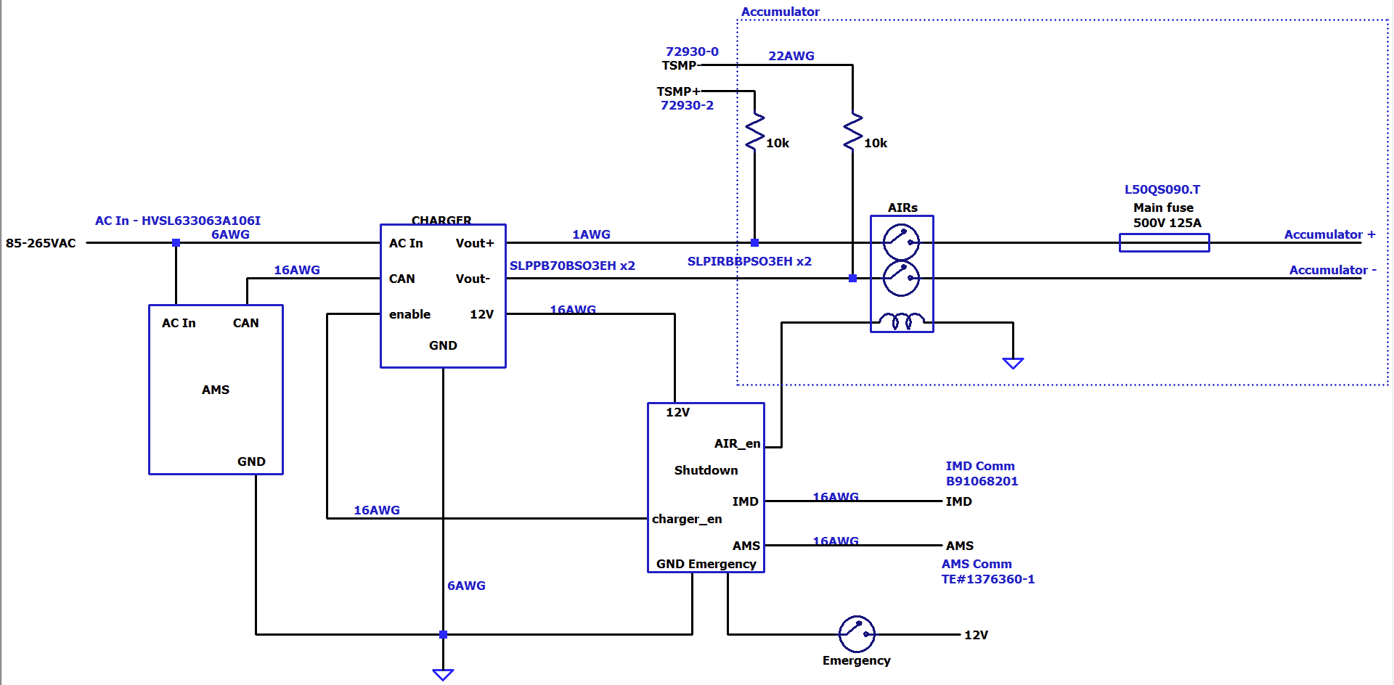 Charging Tractive System Schematic |  |  |  |  |  |  |  | 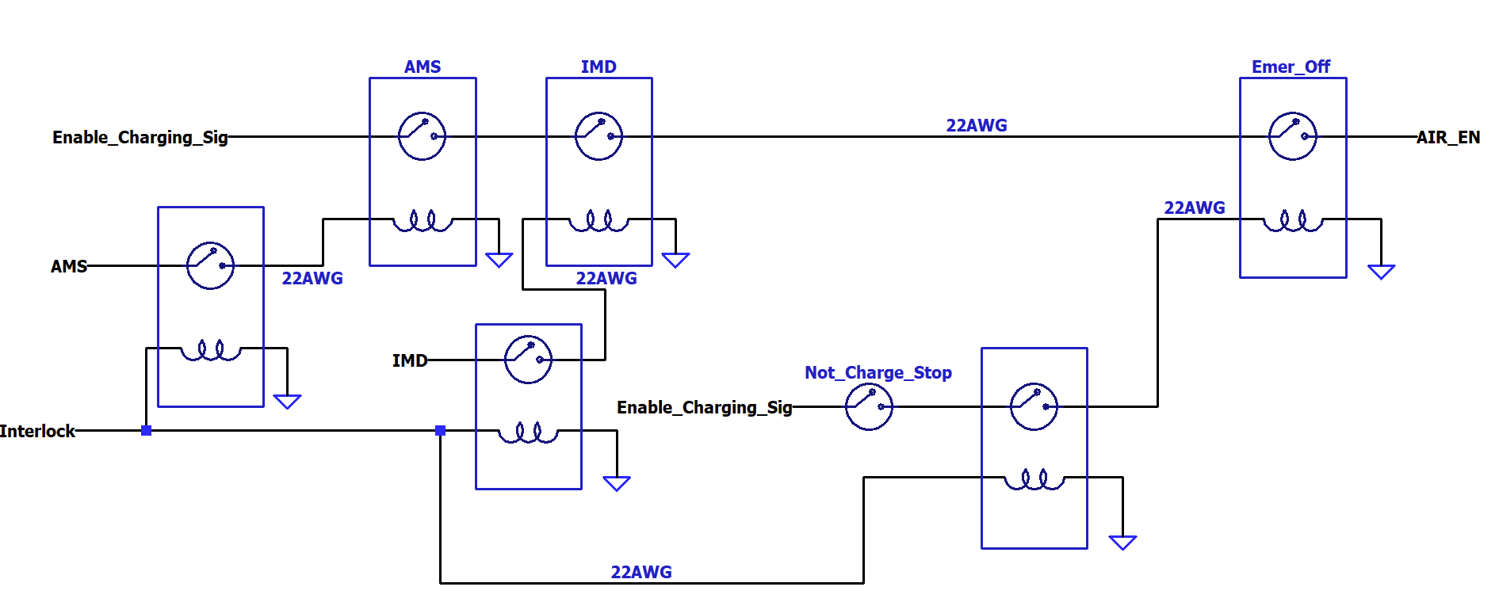

Charging Tractive System Schematic Shows |  |  |  |  |  |  | OK | Charging Shutdown Circuit Shows |  |  | OK
Rules References |  |  |  |  |  |  |  | Rules References
 |  | Fuse |  |  |  | TRUE | OK | EV.8.3 | IMD Control and Powerstage | TRUE | OK
 |  | Connectors |  |  |  | TRUE | OK | EV.8.3 | AMS | TRUE | OK
 |  | Wire Gauge |  |  |  | TRUE | OK | EV.8.2.7 | Charger Shutdown Button | TRUE | OK
EV.8.4 |  | IMD |  |  |  | TRUE | OK | EV.8.4 | AIRs | TRUE | OK
EV.8.4.2 |  | AIRs |  |  |  | TRUE | OK |  | Charge Connector Interlock | TRUE | OK
EV.8.2.6 |  | TSMPs |  |  |  | TRUE | OK |  | Charge Control (CAN, Enable, etc.) | TRUE | OK
Additional Comments |  |  |  |  |  |  |  | Additional Comments

Shutdown Circuit
Status | OK
IMD |  |  |  |  | OK | BSPD |  |  |  | OK
Rules Reference |  |  | EV.7.6 |  |  | Rules Reference |  | EV.7.7
Make/Model |  |  | Bender iso175 |  | OK | Current Sensor Make/Model |  | DHAB S/124 |  | OK
Setpoint |  |  | 200 | kΩ | OK | Current Sensor Datasheet |  | Current Sensor |  | OK
 |  |  |  |  |  | Trip Current |  | 14.6 | A | OK
 |  |  |  |  |  | Sensor Output @ Trip Current |  | 2.89 | V | OK
 |  |  |  |  |  | Accuracy @ Trip Current |  | 0.4 | A | OK
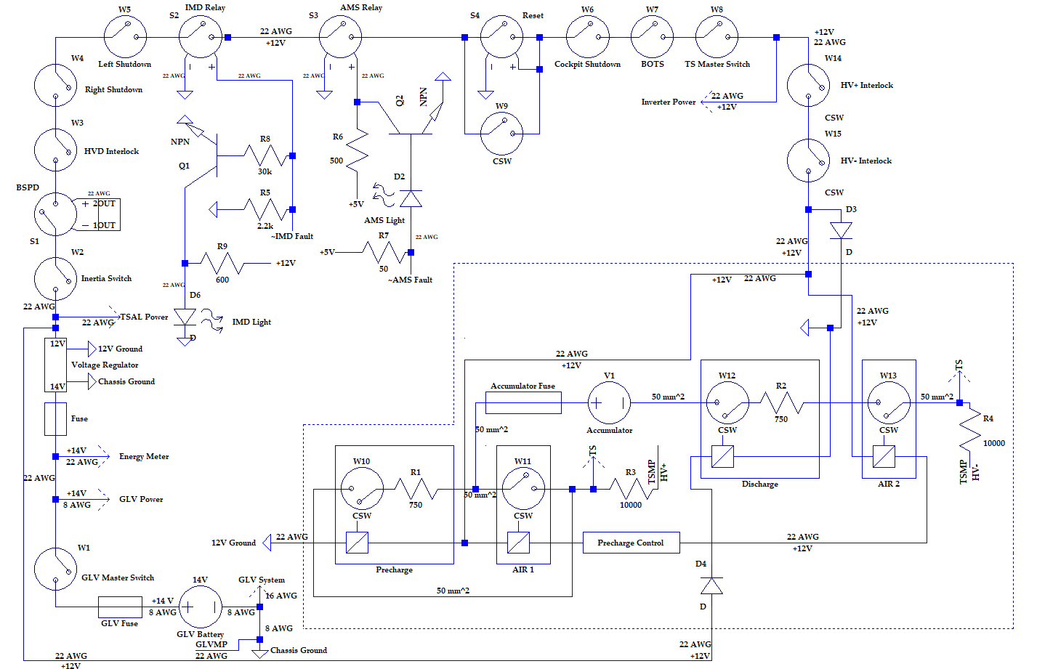
Shutdown Circuit Schematic |  |  |  |  |  |  |  |  |  | 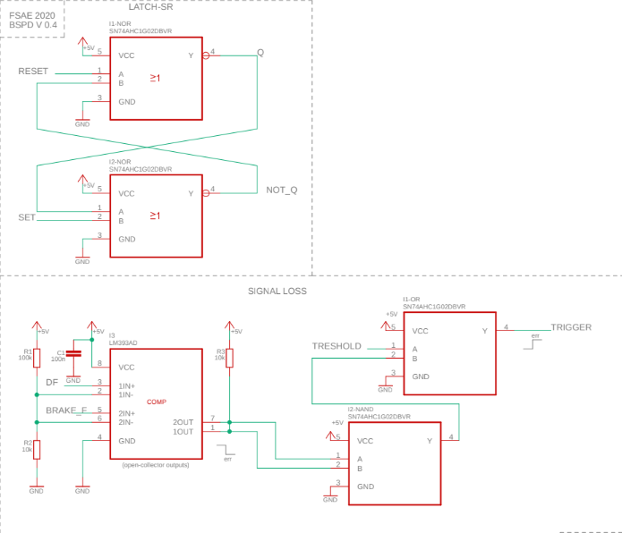

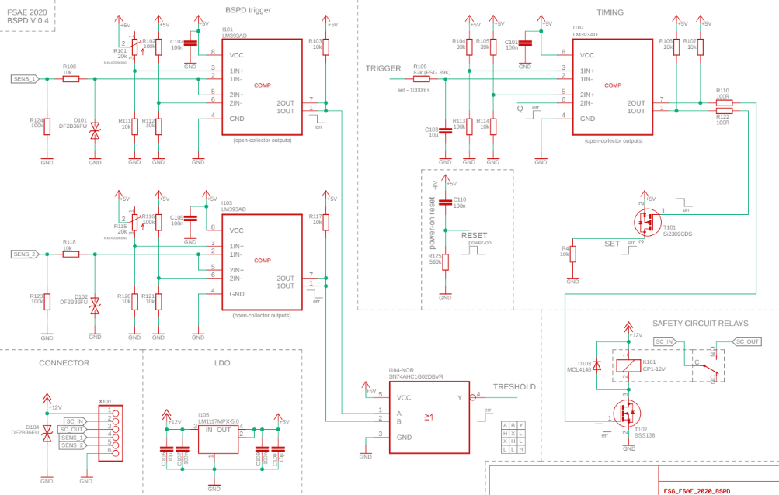

Shutdown Circuit Schematic Shows |  |  |  |  |  |  |  | OK |  | BSPD System Schematic Shows |  | OK
Rules References
EV.7.9 |  | GLVMS |  |  |  |  | TRUE | OK |  | BSPD Current Sensor input open/short circuit protection | TRUE | OK
EV.7.9 |  | TSMS |  |  |  |  | TRUE | OK |  | BSPD Brake Position input open/short circuit protection | TRUE | OK
EV.7.10 |  | 2 Side Shutdown Buttons |  |  |  |  | TRUE | OK |  | Shutdown circuit powerstage | TRUE | OK
EV.7.10 |  | 1 Cockpit Shutdown Button |  |  |  |  | TRUE | OK |  | Additional Comments | Rules References
T.3.3 |  | Brake Over Travel Switch (BOTS) |  |  |  |  | TRUE | OK |  |  | EV.7.7
T.9.4 |  | Inertia Switch |  |  |  |  | TRUE | OK
EV.7.3 |  | AMS |  |  |  |  | TRUE | OK
EV.7.6 |  | IMD |  |  |  |  | TRUE | OK
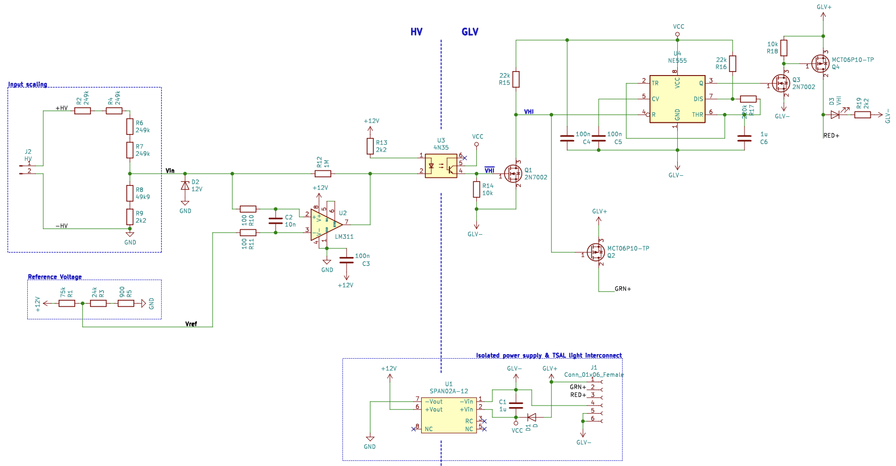
EV.7.7 |  | BSPD |  |  |  |  | TRUE | OK
EV.5.5.2 |  | HVD Interlock |  |  |  |  | TRUE | OK |  | TSAL Schematic
EV.7.1.4 |  | IMD, AMS, BSPD have independent power stages |  |  |  |  | TRUE | OK
EV.4.1.3 |  | Outboard Wheel Motor Interlocks |  |  |  |  | TRUE | OK
 |  | GLV Battery |  |  |  |  | TRUE | OK
 |  | HV DC/DC converter GLV connection (if applicable) |  |  |  |  | TRUE | OK
T.9.2.2 |  | GLV Fuse |  |  |  |  | TRUE | OK
 |  | Wire Gauge |  |  |  |  | TRUE | OK
EV.7.1.2 |  | Precharge Contactor coil |  |  |  |  | TRUE | OK
EV.7.1.2 |  | Positive AIR coil |  |  |  |  | TRUE | OK
EV.7.1.2 |  | Negative AIR coil |  |  |  |  | TRUE | OK
EV.5.6.3a |  | Discharge Contactor coil |  |  |  |  | TRUE | OK
EV.7.9.1; EV.7.9.3 |  | TSMS is last switch |  |  |  |  | TRUE | OK
EV.7.9.1; EV.7.9.2 |  | GLVMS is first switch |  |  |  |  | TRUE | OK
 |  | Uses proper electrical schematic symbols |  |  |  |  | TRUE | OK
 |  | Labels/text are readable (zooming in is acceptable) |  |  |  |  | TRUE | OK
EV.5.10 |  | Interlocks on TS connectors outside of an enclosure |  |  |  |  | TRUE | OK
Additional Comments |  |  |  |  |  |  | Rules References
 |  |  |  |  |  |  | EV.7.1 EV.7.2

 |  |  |  |  |  |  |  |  |  | TSAL Schematic Shows |  | OK
 |  |  |  |  |  |  |  |  |  | TSAL controlled by >60V present in TS | TRUE | OK
 |  |  |  |  |  |  |  |  |  | TSAL powered by GLV | TRUE | OK
 |  |  |  |  |  |  |  |  |  | TSAL flashes red when HV present and solid green when not | TRUE | OK
 |  |  |  |  |  |  |  |  |  | Additional Comments | Rules References
 |  |  |  |  |  |  |  |  |  |  | EV.5.9

Torque Security
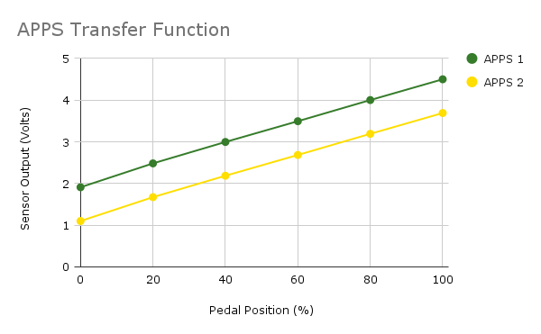
Status | OK
APPS Sensor Transfer function |  |  |  | OK | Torque Control Path Security Checks |  |  |  |  |  |  |  |  | OK
Rules Reference |  | T.4.2.3
Position | APPS1 Output [V] |  | APPS2 Output [V] |  | Source Device | Destination Device | Communication | Redundant | Out Of Range | Correlation | Checksum | Timeout | Other |  | Additional Comments
0% | 1.91 |  | 1.1 | OK
20% | 2.48 |  | 1.67 | #NAME? | APPS | ECU | Analog | 2 sensors | Yes | Yes | No | No |  | OK
40% | 3.00 |  | 2.19 | #NAME? | ECU | Inverter | Digital | No | Yes | No | CAN CRC | 500ms |  | OK
60% | 3.49 |  | 2.68 | #NAME? | Inverter
80% | 4.00 |  | 3.19 | #NAME?
100% | 4.5 |  | 3.69 | #NAME?

Other
Status | OK
Motor Controller |  |  |  | OK | Motor |  |  | OK
Make |  | Rinehart Motion Systems LLC |  | OK | Make |  | Emrax | OK
Model |  | PM100DX |  | OK | Model |  | 228 HV CC | OK
Datasheet |  | PM100DX |  | OK | Datasheet |  | Emrax 228 | OK
Galvanic Isolation between TS and control |  | 1000 | V | OK

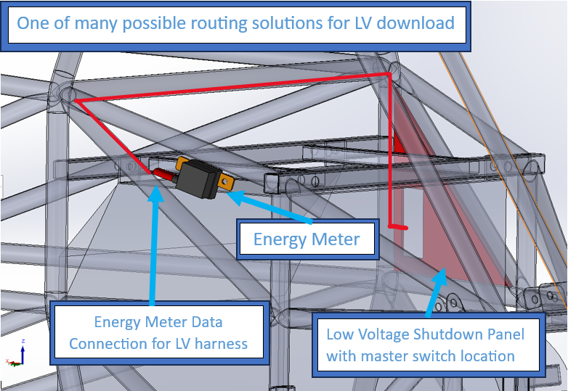
Picture of Energy Meter download connector on car to prove compliance with EV.3.2.2

Energy Meter Download Picture Shows |  |  |  |  |  | OK
Energy Meter Download Connector |  |  |  |  | TRUE | OK
Additional Comments
The master switch will be approximately located where the cutout on the LV shutdown panel is. The absolute location is unkown but will not move from the panel shown.

